Main 2
2025-12-01

Truitt Financials December 2025

 |  |  |  |  |  |  |  |  | Budget | Actual
Spending
Monthly Budget: | 13,150 |  |  |  | YTD Budget: | 157,800 |  | Healthcare | 2,400 | 3,948
Spend | 12,529 |  |  |  | YTD Spend: | 164,560 |  | House | 81,132 | 265,799
 |  |  |  |  |  |  |  | Travel | 13,500 | 16,470
Monthly Budget
 | Actual | Budget
Total Rent & Utilitites | 5,097 | 6,455
Total Food & Car | 3,747 | 3,375
Total Other | 3,685 | 3,320
Year to Date
 | Actual | Budget
Total Rent & Utilitites | 84,532 | 77,460
Total Food & Car | 47,641 | 40,500
Total Other | 32,386 | 39,840

 |  |  |  |  |  |  |  | Financial Goals:
 |  |  |  |  |  |  |  | Pay for Cooper & Tuckers college
 |  |  |  |  |  |  |  | Retire comfortably
 |  |  |  |  |  |  |  | Update house
 |  |  |  |  |  |  |  | Stay in budget & reduce stress around finances

 |  |  |  |  |  |  |  | 2023 | (27,700)
 |  |  |  |  |  |  |  | 2022 | 371,119
Yearly Spend Budget: | 97,032 |  |  |  | Total Year Budget: | 254,832 |  | 2021 | 327,571
Yearly Spend: | 286,218 |  |  |  | Reforecast Budget: | 450,777 |  | 2020 | 253,416
Yearly Expense Items
Yearly Budget
 |  |  |  |  |  |  |  | 2019 | 229,415
 |  |  |  |  |  |  |  | 2018 | 188,488
 |  |  |  |  |  |  |  | 2017 | 149,370

Income |  |  |  |  | Savings
Projected | 391,496 |  |  |  | Projected | 112,569
Actual | 496,801 |  |  |  | Actual | 117,472
Savings
Income

Outlook

% of Income
 | Tax | Expenses | Savings | Left Over
Projection | 28% | 65% | 29% | -22%
Actual | 29% | 91% | 24% | -43%
Emergency Fund
Actual | (14,318)
3 mo | 41,301
6 mo | 78,378

Balance Sheet

$Δ in Value
Assets | 2025-12-31 | 2024-12-31 | $Δ | %Δ
Schwab | $533,443 | $563,768 | -$30,325 | -5.4%
Voya (Fidelity) 401K | $555,402 | $448,660 | $106,742 | 23.8%
Vanguard 401K | $511,073 | $397,733 | $113,339 | 28.5% |  |  | *estimated, not available |  | CARGILL PARTNERSHIP PLAN
BCU | $19,356 | $22,997 | -$3,641 | -15.8% |  |  |  |  | CARGILL EMPLOYEE RETIREMENT ACCOUNT
HSA | $20,613 | $15,167 | $5,445 | 35.9%
Discover | $5,683 | $77,312 | -$71,629 | -92.6%
Cargill | $32,233 | $23,000 | $9,233 | 40.1%
House | $663,076 | $659,128 | $3,948 | 0.6%
Highlander | $17,789 | $17,789 | $0 | 0.0%
BMW | $7,114 | $7,114 | $0 | 0.0%
Total | $2,365,781 | $2,232,669 | $133,112 | 6.0%

$Δ in Value
Liabilities
House | $358,865 | $368,980 | -$10,115 | -2.7%
Total | $358,865 | $368,980 | -$10,115 | -2.7%
 |  |  |  |  |  |  |  |  | Kelly Blue Book
Equity |  |  |  |  |  |  |  |  | Highlander (5TDDZRFH8HS392730): Good
House | $304,211 | $290,148 | $14,063 | 4.8% |  |  |  |  | BMW (WBAEK73454B322356): Good
Car | $24,903 | $24,903 | $0 | 0.0%
Retirement | $1,066,475 | $846,394 | $220,081 | 26.0%
Investments | $565,676 | $586,768 | -$21,092 | -3.6%
Savings | $26,295 | $92,479 | -$66,184 | -71.6%
Credit Union | $19,356 | $22,997 | -$3,641 | -15.8%

Net Worth | $2,006,916 | $1,863,689 | $143,227 | 7.7%

AGI
2023 | 377,540
2022 | 371,119
2021 | 327,571
2020 | 253,416
2019 | 229,415
2018 | 188,488
2017 | 149,370

Retirement

Retirement Balance: | $1,156,475
Yearly Contribution: | $62,000
Total Contributions: | $1,674,000
Reitrement Year: | 2052
Proj Retirement Balances by Return Rate (Age 65)
2% | $4,333,598
4% | $6,627,875
6% | $10,287,743
8% | $16,124,480
10% | $25,414,584
12% | $40,153,824

Retire at 55
2% | $2,872,500
4% | $3,751,329
6% | $4,915,799
8% | $6,455,193
10% | $8,484,828
12% | $11,153,039
Retire at 60
2% | $3,497,349
4% | $4,906,593
6% | $6,938,432
8% | $9,863,074
10% | $14,062,343
12% | $20,072,975

*Assumes continued contributions and no withdrawls until retirement year

Need 25x Annual Spend
Annual Spend: | 184,978
25X Spend: | 4,624,447
Currently Have: | $1,156,475
Current Multiplier | 6.3

Main Detail
 |  |  |  |  |  |  |  |  |  |  |  |  |  |  |  | Projection Waterfall | Actual Waterfall
 |  |  |  |  |  |  |  |  |  |  |  |  |  | Income | Income | 391,496 | 496,801
 |  |  |  |  |  |  |  |  |  |  |  |  |  | Tax | Tax | (109,619) | (144,072)
 |  |  |  |  |  |  |  |  |  |  |  |  |  | Expenses | Expenses | (254,832) | (450,777)
 |  |  |  |  |  |  |  |  |  |  |  |  |  | Savings | Savings | (112,569) | (117,472)
 |  |  |  |  |  |  |  |  |  |  |  |  |  | Left Over | Left Over | 85,524 | 215,521

 |  |  |  |  |  |  |  |  |  |  |  |  |  |  |  |  |  |  | Projection | Actual
 |  |  |  |  |  |  |  |  |  |  |  |  |  |  | Tax | 109,619 | 144,072 | Tax | 28% | 29%
 |  |  |  |  |  |  |  |  |  |  |  |  |  |  | Expenses | 254,832 | 450,777 | Expenses | 65% | 91%
 |  |  |  |  |  |  |  |  |  |  |  |  |  |  | Savings | 112,569 | 117,472 | Savings | 29% | 24%
 |  |  |  |  |  |  |  |  |  |  |  |  |  |  | Left Over | (85,524) | (215,521) | Left Over | -22% | -43%

% of Income

Assumptions

Simple Percentages | Projected | Actual
Income | 391,496 | 496,801
Tax % | 28% | 28%
Tax $ | 109,619 | 139,104
Savings % | 28% | 28%
Savings $ | 109,619 | 139,104
Leftover for Spending | 172,258 | 218,592

Income Projection
Brit Salary | 160,000
Brit Bonus | 25,000
Jeff Salary | 181,496
Jeff Bonus | 25,000
Total | 391,496

Income Actual | Total | Jan | Feb | Mar | Apr | May | Jun | Jul | Aug | Sep | Oct | Nov | Dec
Brit Salary | 172,000 | 14,333 | 14,333 | 14,333 | 14,333 | 14,333 | 14,333 | 14,333 | 14,333 | 14,333 | 14,333 | 14,333 | 14,333
Brit Bonus | 50,000 |  |  |  |  |  |  |  | 50,000
Brit Stock | 55,000 |  |  |  |  |  |  |  | 55,000
Jeff Salary | 187,725 | 15,644 | 15,644 | 15,644 | 15,644 | 15,644 | 15,644 | 15,644 | 15,644 | 15,644 | 15,644 | 15,644 | 15,644
Jeff Bonus | 32,076 |  |  | 32,076
Inheritance | -
Total | 496,801

Savings Projection | Total
Brit - 401K | 23,500 | 13.7%
Brit - Traditional IRA | 7,000
Brit -Brokerage | 5,200
Jeff - 401K | 23,500 | 12.5%
Jeff - Traditional IRA | 7,000
Jeff - Brokerage | 14,400
HSA | 1,042
Tucker College | 7,800
Cooper College | 7,800
Rainy Day
Mortgage Principal | 9,327
Mortgage Prepay / Invest
I Bonds
Discover | 6,000
Total | 112,569

Savings Actual | Total | Jan | Feb | Mar | Apr | May | Jun | Jul | Aug | Sep | Oct | Nov | Dec
Brit - 401K | 23,500 | 1,958 | 1,958 | 1,958 | 1,958 | 1,958 | 1,958 | 1,958 | 1,958 | 1,958 | 1,958 | 1,958 | 1,958
Brit - Traditional IRA | 7,500 | 625 | 625 | 625 | 625 | 625 | 625 | 625 | 625 | 625 | 625 | 625 | 625
Brit -Brokerage | 4,800 | 400 | 400 | 400 | 400 | 400 | 400 | 400 | 400 | 400 | 400 | 400 | 400
Brit - Cargill Stock | -
Jeff - 401K | 23,500 | 1,958 | 1,958 | 1,958 | 1,958 | 1,958 | 1,958 | 1,958 | 1,958 | 1,958 | 1,958 | 1,958 | 1,958
Jeff - Traditional IRA | 7,500 | 625 | 625 | 625 | 625 | 625 | 625 | 625 | 625 | 625 | 625 | 625 | 625
Jeff - Brokerage | 7,200 | 600 | 600 | 600 | 600 | 600 | 600 | 600 | 600 | 600 | 600 | 600 | 600
HSA | 8,300 | 692 | 692 | 692 | 692 | 692 | 692 | 692 | 692 | 692 | 692 | 692 | 692
Dep Care | -
Tucker College | 7,800 | 650 | 650 | 650 | 650 | 650 | 650 | 650 | 650 | 650 | 650 | 650 | 650
Cooper College | 7,800 | 650 | 650 | 650 | 650 | 650 | 650 | 650 | 650 | 650 | 650 | 650 | 650
Rainy Day | -
Mortgage Principal | 9,972 | 831 | 831 | 831 | 831 | 831 | 831 | 831 | 831 | 831 | 831 | 831 | 831
Mortgage Prepay / Invest | -
I Bonds | -
Discover | 9,600 | 800 | 800 | 800 | 800 | 800 | 800 | 800 | 800 | 800 | 800 | 800 | 800
Car Saving | -
Total | 117,472 | 9,789 | 9,789 | 9,789 | 9,789 | 9,789 | 9,789 | 9,789 | 9,789 | 9,789 | 9,789 | 9,789 | 9,789

Total Tax Rate
Tax % | 29%
Tax $ | 113,534
Fed on Gross % | 16.5%
State on Gross % | 5.8%
SS on Gross % | 5.6%
Medicare on Gross % | 1.4%
Total | 29.4%

Prev Year Fed Tax
Total Income | 369,879
Taxable Income | 302,463
Tax Paid | 61,205
Tax % on Taxable | 20.2%
Tax % on Gross | 16.5%

Prev Year State Tax
Total Income | 369,879
Taxable Income | 296,741
Tax Paid | 21,467
Tax % on Taxable | 7.23%
Tax % on Gross | 5.8%

Other Tax | Britney |  | Jeff
YTD Pay | 169,500 |  | 115,081
Social Security | 9,114 | 5.4% | 6,926 | 6.0%
Medicare | 2,384 | 1.4% | 1,620 | 1.4%
Total SS % | 5.6%
Total Medicare % | 1.4%

1 MO
Yrmo | 202512
 | 2025-12-01
Year | 2025

Actual vs Budget
Total Rent & Utilitites | (1,358)
Total Food & Car | 372
Total Other | 365
December 2025 | Actual | Budget | Over/(Under)

Rent | 3,379 | 2,745 | 634
House Maintenance | 33 | 350 | (317)
Utilities | 1,191 | 700 | 491
Car Loan | - | - | -
Cleaning | - | 250 | (250)
Insurance | - | 135 | (135)
Day Care | 495 | 2,275 | (1,780)
Total Rent & Utilitites | 5,097 | 6,455 | (1,358)

Transportation | 225 | 400 | (175)
Restaurants | 1,565 | 1,300 | 265
Groceries | 1,139 | 1,000 | 139
Target | 818 | 675 | 143
Total Food & Car | 3,747 | 3,375 | 372

Gym | - | - | -
Shopping | 1,903 | 2,000 | (97)
Amazon | 1,212 | 580 | 632
Entertainment | 279 | 550 | (271)
Dry Cleaning | - | 45 | (45)
Gifts | 283 | 100 | 183
Misc | 8 | 45 | (37)
Total Other | 3,685 | 3,320 | 365

Total | 12,529 | 13,150 | (621)

Healthcare | 1,286
House | -
Travel | 1,788
Total | 3,074

Total Spend | 15,603

YTD
Yrmo | 202512 |  |  | 202412
 | 2025-12-01
Jan | 202501 |  |  | 202401
Actual vs Budget YTD
Total Rent & Utilitites | 7,072
Total Food & Car | 7,141
Total Other | (7,454)
YTD December 2025 | Actual | Budget | Over/(Under) | Prev Year | Over/(Under)

Rent | 34,502 | 32,940 | 1,562 | 32,916 | 1,586
House Maintenance | 4,152 | 4,200 | (48) | 4,196 | (43)
Utilities | 20,671 | 8,400 | 12,271 | 8,490 | 12,181
Car Loan | - | - | - | - | -
Cleaning | 242 | 3,000 | (2,758) | 3,000 | (2,758)
Insurance | 1,089 | 1,620 | (531) | 1,632 | (542)
Day Care | 23,875 | 27,300 | (3,425) | 27,363 | (3,488)
Total Rent & Utilitites | 84,532 | 77,460 | 7,072 | 77,596 | 6,936

Transportation | 4,745 | 4,800 | (55) | 4,296 | 449
Restaurants | 23,101 | 15,600 | 7,501 | 16,611 | 6,490
Groceries | 11,356 | 12,000 | (644) | 11,506 | (150)
Target | 8,439 | 8,100 | 339 | 8,093 | 346
Total Food & Car | 47,641 | 40,500 | 7,141 | 40,506 | 7,135

Gym | 25 | - | 25 | 382 | (357)
Shopping | 21,636 | 24,000 | (2,364) | 24,464 | (2,828)
Amazon | 5,621 | 6,960 | (1,339) | 7,002 | (1,381)
Entertainment | 3,681 | 6,600 | (2,919) | 7,135 | (3,454)
Dry Cleaning | 407 | 540 | (133) | 538 | (131)
Gifts | 595 | 1,200 | (605) | 781 | (186)
Misc | 421 | 540 | (119) | 528 | (107)
Total Other | 32,386 | 39,840 | (7,454) | 40,829 | (8,443)

Total | 164,560 | 157,800 | 6,760 | 158,931 | 5,629

Healthcare | 3,948 |  |  | 2,527 | 1,421
House | 265,799 |  |  | 11,572 | 254,227
Travel | 16,470 |  |  | 18,098 | (1,628)
Total | 286,218 |  |  | 32,198 | 254,020
 |  |  |  | - | -
Total Spend | 450,777 |  |  | 191,128 | 259,649

Avg
 |  |  |  |  | 202412 | 202411 | 202410 | 202409 | 202408 | 202407 | 202406 | 202405 | 202404 | 202403 | 202402 | 202401
 |  |  |  |  | 202412

Actuals Averages |  |  |  |  |  |  |  |  |  |  |  |  |  |  |  |  |  | Emergency Fund
 | Prev 3 Mo | Prev 6 Mo | Prev 12 Mo |  | Dec 2024 | Nov 2024 | Oct 2024 | Sep 2024 | Aug 2024 | Jul 2024 | Jun 2024 | May 2024 | Apr 2024 | Mar 2024 | Feb 2024 | Jan 2024 | Total 12 mo |  | 3 mo | 6 mo

Rent | 2,745 | 2,744 | 2,743 |  | 2,745 | 2,745 | 2,745 | 2,745 | 2,742 | 2,742 | 2,742 | 2,742 | 2,742 | 2,742 | 2,742 | 2,742 | 32,916 | Essiential | 28,192 | 58,392
House Maintenance | 159 | 246 | 350 |  | 11 | 11 | 454 | 487 | 45 | 466 | 738 | 769 | 603 | 382 | (41) | 271 | 4,196 | All Spend | 41,301 | 78,378
Utilities | 772 | 671 | 708 |  | 877 | 584 | 854 | 639 | 335 | 734 | 502 | 1,018 | 634 | 477 | 1,222 | 612 | 8,490
Car Loan | - | - | - |  | - | - | - | - | - | - | - | - | - | - | - | - | -
Cleaning | 250 | 250 | 250 |  | 250 | 250 | 250 | 250 | 250 | 250 | 250 | 250 | 250 | 250 | 250 | 250 | 3,000 | Actual
Insurance | 164 | 169 | 136 |  | 145 | 173 | 173 | 173 | 173 | 173 | 201 | - | 164 | - | 127 | 127 | 1,632 | BCU Rainy Day | -
Day Care | 2,274 | 1,948 | 2,280 |  | 2,034 | 2,264 | 2,525 | 2,281 | 733 | 1,853 | 2,889 | 2,059 | 1,714 | 2,034 | 3,846 | 3,132 | 27,363 | I Bonds | -
Total Rent & Utilitites | 6,364 | 6,027 | 6,466 |  | 6,063 | 6,028 | 7,001 | 6,576 | 4,277 | 6,218 | 7,323 | 6,838 | 6,107 | 5,885 | 8,146 | 7,135 | 77,596 | Discover Savings | (14,318)
 |  |  |  |  |  |  |  |  |  |  |  |  |  |  |  |  |  | Total | (14,318)
Emergency Fund
Transportation | 232 | 420 | 358 |  | 230 | 200 | 265 | 472 | 970 | 383 | 393 | 374 | 111 | 442 | 274 | 182 | 4,296
Restaurants | 1,159 | 1,703 | 1,384 |  | 1,823 | 510 | 1,144 | 1,848 | 3,551 | 1,344 | 1,426 | 893 | 1,421 | 1,059 | 1,079 | 514 | 16,611
Groceries | 1,177 | 1,116 | 959 |  | 1,135 | 1,344 | 1,053 | 1,201 | 1,043 | 922 | 1,004 | 715 | 866 | 242 | 1,184 | 797 | 11,506
Target | 465 | 465 | 674 |  | 530 | 269 | 597 | 472 | 485 | 438 | 860 | 544 | 1,147 | 778 | 1,040 | 933 | 8,093
Total Food & Car | 3,033 | 3,705 | 3,375 |  | 3,718 | 2,324 | 3,059 | 3,992 | 6,050 | 3,086 | 3,683 | 2,525 | 3,545 | 2,522 | 3,577 | 2,426 | 40,506

Gym | - | 16 | 32 |  | - | - | - | - | 48 | 48 | 48 | 48 | 48 | 48 | 48 | 48 | 382
Shopping | 2,840 | 2,229 | 2,039 |  | 3,247 | 2,288 | 2,984 | 1,003 | 881 | 2,968 | 1,318 | 2,256 | 1,377 | 2,340 | 2,216 | 1,587 | 24,464
Amazon | 547 | 403 | 583 |  | (127) | 1,076 | 693 | 60 | 260 | 458 | 606 | 548 | 600 | (67) | 2,229 | 665 | 7,002
Entertainment | 712 | 502 | 595 |  | 557 | 866 | 714 | 335 | 287 | 253 | 760 | 349 | 1,279 | 425 | 315 | 996 | 7,135
Dry Cleaning | 20 | 33 | 45 |  | - | 60 | - | 24 | - | 112 | 110 | 182 | 17 | - | - | 34 | 538
Gifts | 226 | 130 | 65 |  | 97 | 162 | 418 | - | 103 | - | - | - | - | - | - | - | 781
Misc | 24 | 19 | 44 |  | 11 | 62 | - | - | 39 | - | 340 | 27 | - | - | 47 | 2 | 528
Total Other | 4,369 | 3,331 | 3,402 |  | 3,786 | 4,514 | 4,808 | 1,422 | 1,618 | 3,838 | 3,181 | 3,408 | 3,321 | 2,746 | 4,856 | 3,331 | 40,829

Total | 13,767 | 13,063 | 13,244 |  | 13,566 | 12,866 | 14,869 | 11,990 | 11,945 | 13,143 | 14,186 | 12,771 | 12,973 | 11,152 | 16,578 | 12,892 | 158,931
 |  |  |  |  |  |  |  |  |  |  |  |  |  |  |  |  |  | *does not include yearly items in 3 & 6mo avg
Healthcare | 82 | 167 | 211 |  | - | 246 | - | - | 757 | - | 226 | 34 | 832 | 268 | 261 | (95) | 2,527
House | - | - | 964 |  | - | - | - | - | - | - | - | 367 | - | 9,631 | 720 | 854 | 11,572 | To get to 6mo fund (months):
Travel | 1,311 | 2,017 | 1,508 |  | 594 | 1,848 | 1,492 | 4,167 | 2,190 | 1,812 | 2,313 | 22 | 1,074 | 521 | - | 2,066 | 18,098 | 92,696
Total Yearly | 1,394 | 2,184 | 2,683 | - | 594 | 2,095 | 1,492 | 4,167 | 2,946 | 1,812 | 2,538 | 422 | 1,905 | 10,420 | 982 | 2,825 | 32,198

Total All Spend | 15,160 | 15,247 | 15,927 |  | 14,160 | 14,961 | 16,361 | 16,157 | 14,891 | 14,954 | 16,724 | 13,194 | 14,878 | 21,572 | 17,560 | 15,717 | 191,128

 |  |  |  |  |  |  |  |  |  |  |  |  |  |  |  |  |  | Graph
 |  |  |  |  |  |  |  |  |  |  |  |  |  |  |  |  |  | Actual | (14,318)
 |  |  |  |  |  |  |  |  |  |  |  |  |  |  |  |  |  | 3 mo | 41,301
 |  |  |  |  |  |  |  |  |  |  |  |  |  |  |  |  |  | 6 mo | 78,378

Retire Articles
https://www.schwab.com/retirement-planning-tools/retirement-calculator
 |  | Notes from FIdelity meeting 2/10
35 yrs old |  | They have a MM account at 3.9-4.2%
saving 53k yr |  | Cost of college is a big unknown
680,000 in retirement savings now |  | Always pay off CC balances
retire at 62 |  | On track to have ~6M in retirement
can spend $150,000 in retirement |  | Could use schwab account for home repairs
 |  | Would be good to have separate accounts for car/home stuff
https://www.wsj.com/articles/how-much-can-you-spend-in-retirement-questions-to-answer-11662487918?mod=Searchresults_pos4&page=1 |  | dont count on SS
WSJ retire example |  | do not get forced to sell equities to cover expenses
Example: |  | NEED MORE CASH!!
60 yr old |  | If maket goes up then use schwab (sell stock) to do home updates
income | $150,000
401K balance | $750,000
can spend monthly in retirement (retire at 65) | $2,014

Have now saved: | $462,961
Per year: | 53000
Return rate | 6%
Have at 60: | #N/A
can spend monthly in retirement (retire at 65): | #N/A
can spend yearly in retirement (retire at 65): | #N/A
SS at 65
moderate drawdown

401(k): Strategy-1
For half of the funds in their 401(k), you could decide on the following combination of funds (mutual funds or ETFs). Once this has been set up, the rest would really be on auto-pilot. Every paycheck, contributions will be invested in the proportions as selected. Since this portfolio is very balanced, we hope to get a minimum growth of about 8%-9% annualized for the next 12 years.
· 25% in the S&P 500 fund
· 25% in the Total Stock Market fund or the Equal-weighted S&P 500 fund
· 15% in high-growth Technology funds
· 15% in the Developed International fund
· 10% in Emerging Markets fund
· 10% in Bonds and Treasury funds.

401(k): Strategy-2
We recommend deploying the second half of 401(k) money in a risk-adjusted strategy to ensure that we get most of the gains of the market, but at the same time, it will hedge the risks in case of a bear market. This strategy is discussed in the next section. We can hope to get at least a 10% return from this strategy. Besides a decent return, this strategy will reduce the overall volatility to a great extent.

Strategy-2: Risk-hedged rotation strategy for low drawdowns (for 401(k) accounts)
Since this strategy is being implemented inside 401(k) accounts, it needs to be simple and easy to implement. Most 401(k) accounts offer a limited number of funds that one has to choose from. This strategy rotates on a monthly basis.
The strategy will be invested in one of the following four securities (or equivalent funds), which are:
· Vanguard 500 Index Fund Investor (VFINX)
· Vanguard Total International Stock Index Fund Inv (VGTSX)
· Vanguard Long-Term Treasury Fund (VUSTX)
· Vanguard Short-Term Treasury ETF (VGSH) or iShares 1-3 Year (Short-term) Treasury Bond ETF (SHY)
VUSTX and VGSH are two of the hedging assets and will be used only when the other main securities are not performing well. By deploying this strategy, since Jan. 1997, it has returned an annualized return of 13.03% compared to 8.57% from the S&P 500. In the year 2008, it was up slightly compared to -37% for the S&P 500. During the tech-bubble crash from 2000-2002, the RA (risk-adjusted) model was down only by 3.2% cumulatively, while the S&P 500 lost more than 43% during those three years. We would like to caution that backtesting results are no guarantee of similar results in the future because no two periods are going to be the same. However, the main advantage of using such a strategy would be to limit the downside and drawdowns during recessions and corrections.

Strategy-2B: Risk-hedged rotation strategy (for IRA, 401(k) accounts)
Note: This strategy is for accounts where it is possible to trade individual stocks or funds. These days, many brokerages that manage 401(k) accounts also allow participants to invest in individual securities.
This Rotational model could be used either as an alternative to the first one or as an addition. Having two models provide some diversification as well. This model also can generate some income (of 5% or so) on a consistent basis with limited drawdowns and much lower risk than S&P 500. Though we recognize that young folks do not need income so that income can grow within the portfolio. The model uses five CEFs (closed-end funds) from various asset classes and uses a short-term Treasury fund as the hedging security. We compare the performance of each of the six securities (including distributions) during the previous three and seven months (average the two) and select the top 3 performing funds for investment. Any security that had a negative performance return is not selected and replaced with the hedging asset, i.e., SHY. This process is repeated on a monthly basis at the end of each month.
There will be times when the portfolio is partially or even fully invested in SHY (SHY generating little income), but most times (at least 2/3rd of the time), it will be invested in CEFs, generating nearly 8% income. If we average it out, it should be able to provide roughly 6% of income.
The five CEF securities are:
EV Tax-Advantaged Dividend Income (EVT)
Flaherty & Crumrine Preferred and Income Securities (FFC)
Kayne Anderson Energy Infrastructure (KYN)
Nuveen Muni High Inc Opp (NMZ)
Cohen & Steers Qty Inc Realty (RQI)
BlackRock Science & Technology (BST)
iShares 1-3 Year (Short-term) Treasury Bond ETF (SHY)

IRAs: Strategy-3
Since you will be saving at least $5,000 in your IRAs every year, this will also provide you with tax deductions at the assumed income level.
We recommend putting these funds into DGI (Dividend Growth Investing) stocks and implementing a DGI Portfolio, described in the next section. Please note that the DGI portfolio stocks/securities must be evaluated every three years to see if any changes need to be made. A company that appears to be excellent today in terms of its wider moat and long-term perspective may start underperforming in the future due to unforeseen reasons.
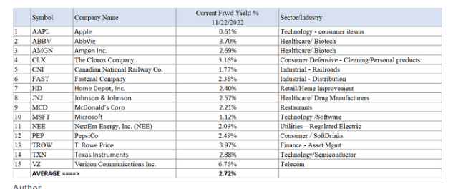

 |  |  |  | Retirement Only
 |  |  |  | Inputs |  |  |  | Outputs |  |  |  | Social security estimate |  |  |  |  |  | All Savings (includes brokerage)
 |  |  |  | Jeff Yearly Contrib | 30,500 |  |  | Money Lasts: | Forever |  |  | https://www.ssa.gov/cgi-bin/benefit6.cgi |  |  |  |  |  | Jeff Yearly Contrib | 44,900
 |  |  |  | Brit Yearly Contrib | 39,542 | *includes employer match |  | Money at Retire age: | $7,408,525 |  |  | www.ssa.gov/planners/lifeexpectancy.html. |  |  |  |  |  | Brit Yearly Contrib | 35,700
 |  |  |  | Return rate | 8.0% |  |  | Age when money runs out: |  |  |  | 57840 |  |  |  |  |  | Return rate | 8%
 |  |  |  | Starting Balance | 1,066,475 |  |  | Jeff | Never |  |  |  |  |  |  |  |  | Starting Balance | 1,599,918
 |  |  |  | Jeff Social Security Benefit | 204,000 | (4k - 17Kmo) |  | Brit | Never
 |  |  |  | Brit Social Security Benefit | 102,000
 |  |  |  | Jeff Retire Age (start spend) | 55 |  |  |  |  |  |  |  |  |  |  |  |  | Jeff Retire Age (start spend) | 65
 |  |  |  | Brit Retire Age | 55 |  |  |  |  |  |  |  |  |  |  |  |  | Brit Retire Age | 65
 |  |  |  | Retire Spend | 177,054 |  |  |  |  |  |  |  |  |  |  |  |  | Retire Spend (inflation adj) | 177,054
 |  |  |  | Tax Rate Retirement | 28%
 |  |  |  | Months left | 8.00

 |  |  | # | Is first Negative | Year | Jeff Age | Brit Age | Jeff Contrib | Brit Contrib | Jeff SS | Brit SS | Retire Spend | Taxes | Beg | Interest / gains | End | # | Year | Jeff Age | Brit Age | Jeff Contrib | Brit Contrib | Retire Spend | Beg | Interest | End
 |  |  | 1 | 0 | 2023 | 36 | 35 | 20,333 | 26,361 | 0 | 0 | 0 | 0 | 1,066,475 | 58,124 | 1,171,293 | 1 | 2023 | 36 | 35 | 44,900 | 35,700 | 0 | 1,599,918 | 90,675 | 1,771,193
 |  |  | 2 | 0 | 2024 | 37 | 36 | 30,500 | 39,542 | 0 | 0 | 0 | 0 | 1,171,293 | 96,505 | 1,337,841 | 2 | 2024 | 37 | 36 | 44,900 | 35,700 | 0 | 1,771,193 | 143,493 | 1,995,286
 |  |  | 3 | 0 | 2025 | 38 | 37 | 30,500 | 39,542 | 0 | 0 | 0 | 0 | 1,337,841 | 109,829 | 1,517,712 | 3 | 2025 | 38 | 37 | 44,900 | 35,700 | 0 | 1,995,286 | 161,420 | 2,237,306
 |  |  | 4 | 0 | 2026 | 39 | 38 | 30,500 | 39,542 | 0 | 0 | 0 | 0 | 1,517,712 | 124,219 | 1,711,972 | 4 | 2026 | 39 | 38 | 44,900 | 35,700 | 0 | 2,237,306 | 180,782 | 2,498,688
 |  |  | 5 | 0 | 2027 | 40 | 39 | 30,500 | 39,542 | 0 | 0 | 0 | 0 | 1,711,972 | 139,759 | 1,921,774 | 5 | 2027 | 40 | 39 | 44,900 | 35,700 | 0 | 2,498,688 | 201,693 | 2,780,981
 |  |  | 6 | 0 | 2028 | 41 | 40 | 30,500 | 39,542 | 0 | 0 | 0 | 0 | 1,921,774 | 156,544 | 2,148,359 | 6 | 2028 | 41 | 40 | 44,900 | 35,700 | 0 | 2,780,981 | 224,276 | 3,085,857
 |  |  | 7 | 0 | 2029 | 42 | 41 | 30,500 | 39,542 | 0 | 0 | 0 | 0 | 2,148,359 | 174,670 | 2,393,072 | 7 | 2029 | 42 | 41 | 44,900 | 35,700 | 0 | 3,085,857 | 248,666 | 3,415,123
 |  |  | 8 | 0 | 2030 | 43 | 42 | 30,500 | 39,542 | 0 | 0 | 0 | 0 | 2,393,072 | 194,247 | 2,657,361 | 8 | 2030 | 43 | 42 | 44,900 | 35,700 | 0 | 3,415,123 | 275,008 | 3,770,731
 |  |  | 9 | 0 | 2031 | 44 | 43 | 30,500 | 39,542 | 0 | 0 | 0 | 0 | 2,657,361 | 215,391 | 2,942,794 | 9 | 2031 | 44 | 43 | 44,900 | 35,700 | 0 | 3,770,731 | 303,456 | 4,154,787
 |  |  | 10 | 0 | 2032 | 45 | 44 | 30,500 | 39,542 | 0 | 0 | 0 | 0 | 2,942,794 | 238,225 | 3,251,061 | 10 | 2032 | 45 | 44 | 44,900 | 35,700 | 0 | 4,154,787 | 334,181 | 4,569,567
 |  |  | 11 | 0 | 2033 | 46 | 45 | 30,500 | 39,542 | 0 | 0 | 0 | 0 | 3,251,061 | 262,887 | 3,583,989 | 11 | 2033 | 46 | 45 | 44,900 | 35,700 | 0 | 4,569,567 | 367,363 | 5,017,531
 |  |  | 12 | 0 | 2034 | 47 | 46 | 30,500 | 39,542 | 0 | 0 | 0 | 0 | 3,583,989 | 289,521 | 3,943,552 | 12 | 2034 | 47 | 46 | 44,900 | 35,700 | 0 | 5,017,531 | 403,200 | 5,501,331
 |  |  | 13 | 0 | 2035 | 48 | 47 | 30,500 | 39,542 | 0 | 0 | 0 | 0 | 3,943,552 | 318,286 | 4,331,880 | 13 | 2035 | 48 | 47 | 44,900 | 35,700 | 0 | 5,501,331 | 441,904 | 6,023,835
 |  |  | 14 | 0 | 2036 | 49 | 48 | 30,500 | 39,542 | 0 | 0 | 0 | 0 | 4,331,880 | 349,352 | 4,751,274 | 14 | 2036 | 49 | 48 | 44,900 | 35,700 | 0 | 6,023,835 | 483,705 | 6,588,140
 |  |  | 15 | 0 | 2037 | 50 | 49 | 30,500 | 39,542 | 0 | 0 | 0 | 0 | 4,751,274 | 382,904 | 5,204,220 | 15 | 2037 | 50 | 49 | 44,900 | 35,700 | 0 | 6,588,140 | 528,849 | 7,197,589
 |  |  | 16 | 0 | 2038 | 51 | 50 | 30,500 | 39,542 | 0 | 0 | 0 | 0 | 5,204,220 | 419,139 | 5,693,401 | 16 | 2038 | 51 | 50 | 44,900 | 35,700 | 0 | 7,197,589 | 577,605 | 7,855,794
 |  |  | 17 | 0 | 2039 | 52 | 51 | 30,500 | 39,542 | 0 | 0 | 0 | 0 | 5,693,401 | 458,274 | 6,221,717 | 17 | 2039 | 52 | 51 | 44,900 | 35,700 | 0 | 7,855,794 | 630,262 | 8,566,656
 |  |  | 18 | 0 | 2040 | 53 | 52 | 30,500 | 39,542 | 0 | 0 | 0 | 0 | 6,221,717 | 500,539 | 6,792,298 | 18 | 2040 | 53 | 52 | 44,900 | 35,700 | 0 | 8,566,656 | 687,131 | 9,334,386
 |  |  | 19 | 0 | 2041 | 54 | 53 | 30,500 | 39,542 | 0 | 0 | 0 | 0 | 6,792,298 | 546,185 | 7,408,525 | 19 | 2041 | 54 | 53 | 44,900 | 35,700 | 0 | 9,334,386 | 748,549 | 10,163,535
 |  |  | 20 | 0 | 2042 | 55 | 54 | 0 | 39,542 | 0 | 0 | 263,093 | 102,314 | 7,408,525 | 594,264 | 7,676,923 | 20 | 2042 | 55 | 54 | 44,900 | 35,700 | 0 | 10,163,535 | 814,881 | 11,059,016
 |  |  | 21 | 0 | 2043 | 56 | 55 | 0 | 0 | 0 | 0 | 268,355 | 104,360 | 7,676,923 | 614,154 | 7,918,362 | 21 | 2043 | 56 | 55 | 44,900 | 35,700 | 0 | 11,059,016 | 886,520 | 12,026,136
 |  |  | 22 | 0 | 2044 | 57 | 56 | 0 | 0 | 0 | 0 | 273,722 | 106,448 | 7,918,362 | 633,469 | 8,171,661 | 22 | 2044 | 57 | 56 | 44,900 | 35,700 | 0 | 12,026,136 | 963,889 | 13,070,625
 |  |  | 23 | 0 | 2045 | 58 | 57 | 0 | 0 | 0 | 0 | 279,197 | 108,576 | 8,171,661 | 653,733 | 8,437,621 | 23 | 2045 | 58 | 57 | 44,900 | 35,700 | 0 | 13,070,625 | 1,047,448 | 14,198,673
 |  |  | 24 | 0 | 2046 | 59 | 58 | 0 | 0 | 0 | 0 | 284,781 | 110,748 | 8,437,621 | 675,010 | 8,717,102 | 24 | 2046 | 59 | 58 | 44,900 | 35,700 | 0 | 14,198,673 | 1,137,692 | 15,416,966
 |  |  | 25 | 0 | 2047 | 60 | 59 | 0 | 0 | 0 | 0 | 290,476 | 112,963 | 8,717,102 | 697,368 | 9,011,030 | 25 | 2047 | 60 | 59 | 44,900 | 35,700 | 0 | 15,416,966 | 1,235,156 | 16,732,721
 |  |  | 26 | 0 | 2048 | 61 | 60 | 0 | 0 | 0 | 0 | 296,286 | 115,222 | 9,011,030 | 720,882 | 9,320,405 | 26 | 2048 | 61 | 60 | 44,900 | 35,700 | 0 | 16,732,721 | 1,340,416 | 18,153,737
 |  |  | 27 | 0 | 2049 | 62 | 61 | 0 | 0 | 0 | 0 | 302,211 | 117,527 | 9,320,405 | 745,632 | 9,646,299 | 27 | 2049 | 62 | 61 | 44,900 | 35,700 | 0 | 18,153,737 | 1,454,097 | 19,688,435
 |  |  | 28 | 0 | 2050 | 63 | 62 | 0 | 0 | 0 | 0 | 308,256 | 119,877 | 9,646,299 | 771,704 | 9,989,870 | 28 | 2050 | 63 | 62 | 44,900 | 35,700 | 0 | 19,688,435 | 1,576,873 | 21,345,908
 |  |  | 29 | 0 | 2051 | 64 | 63 | 0 | 0 | 0 | 0 | 314,421 | 122,275 | 9,989,870 | 799,190 | 10,352,364 | 29 | 2051 | 64 | 63 | 44,900 | 35,700 | 0 | 21,345,908 | 1,709,471 | 23,135,979
 |  |  | 30 | 0 | 2052 | 65 | 64 | 0 | 0 | 0 | 0 | 320,709 | 124,720 | 10,352,364 | 828,189 | 10,735,124 | 30 | 2052 | 65 | 64 | 0 | 35,700 | 320,709 | 23,135,979 | 1,850,881 | 24,701,851
 |  |  | 31 | 0 | 2053 | 66 | 65 | 0 | 0 | 0 | 0 | 327,123 | 127,215 | 10,735,124 | 858,810 | 11,139,595 | 31 | 2053 | 66 | 65 | 0 | 0 | 327,123 | 24,701,851 | 1,976,151 | 26,350,878
 |  |  | 32 | 0 | 2054 | 67 | 66 | 0 | 0 | 0 | 0 | 333,666 | 129,759 | 11,139,595 | 891,168 | 11,567,338 | 32 | 2054 | 67 | 66 | 0 | 0 | 333,666 | 26,350,878 | 2,108,073 | 28,125,285
 |  |  | 33 | 0 | 2055 | 68 | 67 | 0 | 0 | 0 | 0 | 340,339 | 132,354 | 11,567,338 | 925,387 | 12,020,032 | 33 | 2055 | 68 | 67 | 0 | 0 | 340,339 | 28,125,285 | 2,250,025 | 30,034,971
 |  |  | 34 | 0 | 2056 | 69 | 68 | 0 | 0 | 0 | 0 | 347,146 | 135,001 | 12,020,032 | 961,603 | 12,499,487 | 34 | 2056 | 69 | 68 | 0 | 0 | 347,146 | 30,034,971 | 2,402,800 | 32,090,626
 |  |  | 35 | 0 | 2057 | 70 | 69 | 0 | 0 | 0 | 0 | 354,089 | 137,701 | 12,499,487 | 999,959 | 13,007,656 | 35 | 2057 | 70 | 69 | 0 | 0 | 354,089 | 32,090,626 | 2,567,253 | 34,303,789
 |  |  | 36 | 0 | 2058 | 71 | 70 | 0 | 0 | 0 | 0 | 361,171 | 140,455 | 13,007,656 | 1,040,612 | 13,546,643 | 36 | 2058 | 71 | 70 | 0 | 0 | 361,171 | 34,303,789 | 2,744,306 | 36,686,925
 |  |  | 37 | 0 | 2059 | 72 | 71 | 0 | 0 | 0 | 0 | 368,394 | 143,264 | 13,546,643 | 1,083,731 | 14,118,716 | 37 | 2059 | 72 | 71 | 0 | 0 | 368,394 | 36,686,925 | 2,934,957 | 39,253,487
 |  |  | 38 | 0 | 2060 | 73 | 72 | 0 | 0 | 204,000 | 0 | 375,762 | 146,130 | 14,118,716 | 1,129,497 | 14,930,321 | 38 | 2060 | 73 | 72 | 0 | 0 | 375,762 | 39,253,487 | 3,140,282 | 42,018,007
 |  |  | 39 | 0 | 2061 | 74 | 73 | 0 | 0 | 204,000 | 102,000 | 383,277 | 149,052 | 14,930,321 | 1,194,426 | 15,898,417 | 39 | 2061 | 74 | 73 | 0 | 0 | 383,277 | 42,018,007 | 3,361,444 | 44,996,174
 |  |  | 40 | 0 | 2062 | 75 | 74 | 0 | 0 | 204,000 | 102,000 | 390,943 | 152,033 | 15,898,417 | 1,271,873 | 16,933,315 | 40 | 2062 | 75 | 74 | 0 | 0 | 390,943 | 44,996,174 | 3,599,697 | 48,204,928
 |  |  | 41 | 0 | 2063 | 76 | 75 | 0 | 0 | 204,000 | 102,000 | 398,762 | 155,074 | 16,933,315 | 1,354,665 | 18,040,144 | 41 | 2063 | 76 | 75 | 0 | 0 | 398,762 | 48,204,928 | 3,856,397 | 51,662,563
 |  |  | 42 | 0 | 2064 | 77 | 76 | 0 | 0 | 204,000 | 102,000 | 406,737 | 158,175 | 18,040,144 | 1,443,212 | 19,224,443 | 42 | 2064 | 77 | 76 | 0 | 0 | 406,737 | 51,662,563 | 4,133,008 | 55,388,834
 |  |  | 43 | 0 | 2065 | 78 | 77 | 0 | 0 | 204,000 | 102,000 | 414,872 | 161,339 | 19,224,443 | 1,537,955 | 20,492,188 | 43 | 2065 | 78 | 77 | 0 | 0 | 414,872 | 55,388,834 | 4,431,110 | 59,405,073
 |  |  | 44 | 0 | 2066 | 79 | 78 | 0 | 0 | 204,000 | 102,000 | 423,169 | 164,566 | 20,492,188 | 1,639,375 | 21,849,829 | 44 | 2066 | 79 | 78 | 0 | 0 | 423,169 | 59,405,073 | 4,752,409 | 63,734,312
 |  |  | 45 | 0 | 2067 | 80 | 79 | 0 | 0 | 204,000 | 102,000 | 431,632 | 167,857 | 21,849,829 | 1,747,986 | 23,304,325 | 45 | 2067 | 80 | 79 | 0 | 0 | 431,632 | 63,734,312 | 5,098,748 | 68,401,428
 |  |  | 46 | 0 | 2068 | 81 | 80 | 0 | 0 | 204,000 | 102,000 | 440,265 | 171,214 | 23,304,325 | 1,864,346 | 24,863,192 | 46 | 2068 | 81 | 80 | 0 | 0 | 440,265 | 68,401,428 | 5,472,117 | 73,433,281
 |  |  | 47 | 0 | 2069 | 82 | 81 | 0 | 0 | 204,000 | 102,000 | 449,070 | 174,638 | 24,863,192 | 1,989,055 | 26,534,539 | 47 | 2069 | 82 | 81 | 0 | 0 | 449,070 | 73,433,281 | 5,874,666 | 78,858,876
 |  |  | 48 | 0 | 2070 | 83 | 82 | 0 | 0 | 204,000 | 102,000 | 458,052 | 178,131 | 26,534,539 | 2,122,763 | 28,327,119 | 48 | 2070 | 83 | 82 | 0 | 0 | 458,052 | 78,858,876 | 6,308,713 | 84,709,537
 |  |  | 49 | 0 | 2071 | 84 | 83 | 0 | 0 | 204,000 | 102,000 | 467,213 | 181,694 | 28,327,119 | 2,266,169 | 30,250,381 | 49 | 2071 | 84 | 83 | 0 | 0 | 467,213 | 84,709,537 | 6,776,766 | 91,019,091
 |  |  | 50 | 0 | 2072 | 85 | 84 | 0 | 0 | 204,000 | 102,000 | 476,557 | 185,328 | 30,250,381 | 2,420,031 | 32,314,527 | 50 | 2072 | 85 | 84 | 0 | 0 | 476,557 | 91,019,091 | 7,281,531 | 97,824,065
 |  |  | 51 | 0 | 2073 | 86 | 85 | 0 | 0 | 0 | 102,000 | 486,088 | 189,034 | 32,314,527 | 2,585,162 | 34,326,567 | 51 | 2073 | 86 | 85 | 0 | 0 | 486,088 | 97,824,065 | 7,825,929 | 105,163,905
 |  |  | 52 | 0 | 2074 | 87 | 86 | 0 | 0 | 0 | 102,000 | 495,810 | 192,815 | 34,326,567 | 2,746,125 | 36,486,067 | 52 | 2074 | 87 | 86 | 0 | 0 | 495,810 | 105,163,905 | 8,413,116 | 113,081,211
 |  |  | 53 | 0 | 2075 | 88 | 87 | 0 | 0 | 0 | 102,000 | 505,726 | 196,671 | 36,486,067 | 2,918,885 | 38,804,555 | 53 | 2075 | 88 | 87 | 0 | 0 | 505,726 | 113,081,211 | 9,046,500 | 121,621,985
 |  |  | 54 | 0 | 2075 | 89 | 88 | 0 | 0 | 0 | 102,000 | 515,841 | 200,605 | 38,804,555 | 3,104,364 | 41,294,474 | 54 | 2075 | 89 | 88 | 0 | 0 | 515,841 | 121,621,985 | 9,729,762 | 130,835,907
 |  |  | 55 | 0 | 2075 | 90 | 89 | 0 | 0 | 0 | 0 | 526,158 | 204,617 | 41,294,474 | 3,303,558 | 43,867,258 | 55 | 2075 | 90 | 89 | 0 | 0 | 526,158 | 130,835,907 | 10,466,876 | 140,776,625
 |  |  | 56 | 0 | 2075 | 91 | 90 | 0 | 0 | 0 | 0 | 536,681 | 208,709 | 43,867,258 | 3,509,381 | 46,631,248 | 56 | 2075 | 91 | 90 | 0 | 0 | 536,681 | 140,776,625 | 11,262,134 | 151,502,078
 |  |  | 57 | 0 | 2075 | 92 | 91 | 0 | 0 | 0 | 0 | 547,414 | 212,883 | 46,631,248 | 3,730,500 | 49,601,451 | 57 | 2075 | 92 | 91 | 0 | 0 | 547,414 | 151,502,078 | 12,120,170 | 163,074,834
 |  |  | 58 | 0 | 2075 | 93 | 92 | 0 | 0 | 0 | 0 | 558,363 | 217,141 | 49,601,451 | 3,968,116 | 52,794,063 | 58 | 2075 | 93 | 92 | 0 | 0 | 558,363 | 163,074,834 | 13,045,990 | 175,562,461
 |  |  | 59 | 0 | 2075 | 94 | 93 | 0 | 0 | 0 | 0 | 569,530 | 221,484 | 52,794,063 | 4,223,525 | 56,226,575 | 59 | 2075 | 94 | 93 | 0 | 0 | 569,530 | 175,562,461 | 14,045,001 | 189,037,932
 |  |  | 60 | 0 | 2075 | 95 | 94 | 0 | 0 | 0 | 0 | 580,920 | 225,913 | 56,226,575 | 4,498,126 | 59,917,867 | 60 | 2075 | 95 | 94 | 0 | 0 | 580,920 | 189,037,932 | 15,123,038 | 203,580,050
 |  |  | 61 | 0 | 2075 | 96 | 95 | 0 | 0 | 0 | 0 | 592,539 | 230,432 | 59,917,867 | 4,793,429 | 63,888,325 | 61 | 2075 | 96 | 95 | 0 | 0 | 592,539 | 203,580,050 | 16,286,408 | 219,273,919
 |  |  | 62 | 0 | 2075 | 97 | 96 | 0 | 0 | 0 | 0 | 604,390 | 235,040 | 63,888,325 | 5,111,066 | 68,159,962 | 62 | 2075 | 97 | 96 | 0 | 0 | 604,390 | 219,273,919 | 17,541,917 | 236,211,447
 |  |  | 63 | 0 | 2075 | 98 | 97 | 0 | 0 | 0 | 0 | 616,477 | 239,741 | 68,159,962 | 5,452,797 | 72,756,540 | 63 | 2075 | 98 | 97 | 0 | 0 | 616,477 | 236,211,447 | 18,896,920 | 254,491,889
 |  |  | 64 | 0 | 2075 | 99 | 98 | 0 | 0 | 0 | 0 | 628,807 | 244,536 | 72,756,540 | 5,820,523 | 77,703,720 | 64 | 2075 | 99 | 98 | 0 | 0 | 628,807 | 254,491,889 | 20,359,355 | 274,222,437
 |  |  | 65 | 0 | 2075 | 100 | 99 | 0 | 0 | 0 | 0 | 641,383 | 249,427 | 77,703,720 | 6,216,298 | 83,029,208 | 65 | 2075 | 100 | 99 | 0 | 0 | 641,383 | 274,222,437 | 21,937,799 | 295,518,853
 |  |  | 66 | 0 | 2075 | 101 | 100 | 0 | 0 | 0 | 0 | 654,211 | 254,415 | 83,029,208 | 6,642,337 | 88,762,918 | 66 | 2075 | 101 | 100 | 0 | 0 | 654,211 | 295,518,853 | 23,641,512 | 318,506,155
 |  |  | 67 | 0 | 2075 | 102 | 101 | 0 | 0 | 0 | 0 | 667,295 | 259,504 | 88,762,918 | 7,101,033 | 94,937,153 | 67 | 2075 | 102 | 101 | 0 | 0 | 667,295 | 318,506,155 | 25,480,496 | 343,319,356
 |  |  | 68 | 0 | 2075 | 103 | 102 | 0 | 0 | 0 | 0 | 680,641 | 264,694 | 94,937,153 | 7,594,972 | 101,586,791 | 68 | 2075 | 103 | 102 | 0 | 0 | 680,641 | 343,319,356 | 27,465,553 | 370,104,268
 |  |  | 69 | 0 | 2075 | 104 | 103 | 0 | 0 | 0 | 0 | 694,254 | 269,988 | 101,586,791 | 8,126,943 | 108,749,493 | 69 | 2075 | 104 | 103 | 0 | 0 | 694,254 | 370,104,268 | 29,608,346 | 399,018,360
 |  |  | 70 | 0 | 2075 | 105 | 104 | 0 | 0 | 0 | 0 | 708,139 | 275,387 | 108,749,493 | 8,699,959 | 116,465,927 | 70 | 2075 | 105 | 104 | 0 | 0 | 708,139 | 399,018,360 | 31,921,473 | 430,231,694
 |  |  | 71 | 0 | 2075 | 106 | 105 | 0 | 0 | 0 | 0 | 722,302 | 280,895 | 116,465,927 | 9,317,274 | 124,780,004 | 71 | 2075 | 106 | 105 | 0 | 0 | 722,302 | 430,231,694 | 34,418,540 | 463,927,932
 |  |  | 72 | 0 | 2075 | 107 | 106 | 0 | 0 | 0 | 0 | 736,748 | 286,513 | 124,780,004 | 9,982,400 | 133,739,144 | 72 | 2075 | 107 | 106 | 0 | 0 | 736,748 | 463,927,932 | 37,114,239 | 500,305,423
 |  |  | 73 | 0 | 2075 | 108 | 107 | 0 | 0 | 0 | 0 | 751,482 | 292,243 | 133,739,144 | 10,699,132 | 143,394,550 | 73 | 2075 | 108 | 107 | 0 | 0 | 751,482 | 500,305,423 | 40,024,438 | 539,578,379
 |  |  | 74 | 0 | 2075 | 109 | 108 | 0 | 0 | 0 | 0 | 766,512 | 298,088 | 143,394,550 | 11,471,564 | 153,801,514
 |  |  | 75 | 0 | 2075 | 110 | 109 | 0 | 0 | 0 | 0 | 781,842 | 304,050 | 153,801,514 | 12,304,121 | 165,019,743
 |  |  | 76 | 0 | 2075 | 111 | 110 | 0 | 0 | 0 | 0 | 797,479 | 310,131 | 165,019,743 | 13,201,579 | 177,113,712
 |  |  | 77 | 0 | 2075 | 112 | 111 | 0 | 0 | 0 | 0 | 813,429 | 316,333 | 177,113,712 | 14,169,097 | 190,153,047
 |  |  | 78 | 0 | 2075 | 113 | 112 | 0 | 0 | 0 | 0 | 829,697 | 322,660 | 190,153,047 | 15,212,244 | 204,212,933
 |  |  | 79 | 0 | 2075 | 114 | 113 | 0 | 0 | 0 | 0 | 846,291 | 329,113 | 204,212,933 | 16,337,035 | 219,374,563
 |  |  | 80 | 0 | 2075 | 115 | 114 | 0 | 0 | 0 | 0 | 863,217 | 335,696 | 219,374,563 | 17,549,965 | 235,725,615
 |  |  | 81 | 0 | 2075 | 116 | 115 | 0 | 0 | 0 | 0 | 880,482 | 342,409 | 235,725,615 | 18,858,049 | 253,360,773
 |  |  | 82 | 0 | 2075 | 117 | 116 | 0 | 0 | 0 | 0 | 898,091 | 349,258 | 253,360,773 | 20,268,862 | 272,382,286
 |  |  | 83 | 0 | 2075 | 118 | 117 | 0 | 0 | 0 | 0 | 916,053 | 356,243 | 272,382,286 | 21,790,583 | 292,900,574
 |  |  | 84 | 0 | 2075 | 119 | 118 | 0 | 0 | 0 | 0 | 934,374 | 363,368 | 292,900,574 | 23,432,046 | 315,034,878
 |  |  | 85 | 0 | 2075 | 120 | 119 | 0 | 0 | 0 | 0 | 953,062 | 370,635 | 315,034,878 | 25,202,790 | 338,913,971
 |  |  | 86 | 0 | 2075 | 121 | 120 | 0 | 0 | 0 | 0 | 972,123 | 378,048 | 338,913,971 | 27,113,118 | 364,676,919

Income
Year | AGI
2023 | 377,540
2022 | 371,119
2021 | 327,571
AGI
2020 | 253,416
2019 | 229,415
2018 | 188,488
2017 | 149,370
2016
2015
2014

Tax
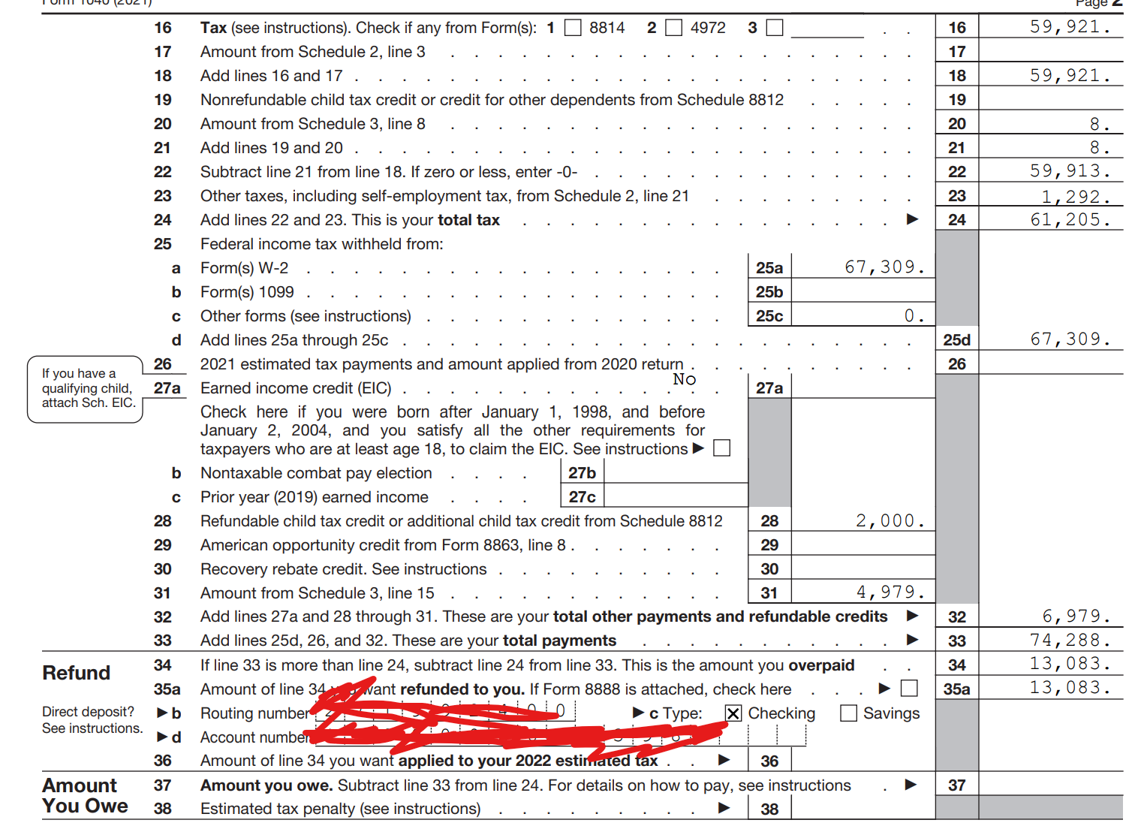
Federal
 | 2021 |  |  |  |  |  |  | 2022
From W2 |  |  |  |  |  |  |  | Income | 401K | Net
Jeff Income | $167,173 | Gross 186,652 - 401k 19,500 = 167,173 |  |  |  |  |  | 160000 | 10250 | 149750
Brit Income | $151,991 | Gross (SS wage) #1 $32,027 + Gross (SS wage) #2 139,464 - 401K 19,500 |  |  |  |  |  |  |  | $151,991
Total | $319,164 |  |  |  |  |  |  |  |  | 301741.48
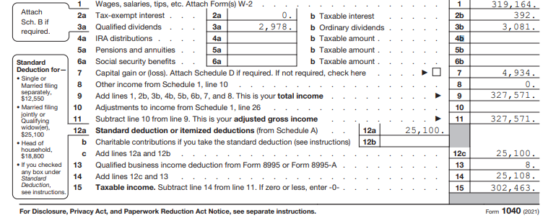

Adjusted Gross Income | $327,571.00 | Total from W2 and investment income |  |  |  |  |  |  | Adjusted Gross Income | $310,148.19
Taxable Income | $302,463.00 |  |  |  |  |  |  |  | Taxable Income | $285,048.19
Total Tax | $61,205.00 |  |  |  |  |  |  |  | Total Tax | $57,681.02 | projected 2022 total tax
Total Payments/Credits | $74,288.00 |  |  |  |  |  |  |  | Tax | 0.20235532941
Amount to be Refunded | $13,083.00
Effective Tax Rate | 17.68% |  |  |  |  |  |  |  | Jeff paid YTD | 8058.7
Tax on Taxable | 0.20235532941 |  |  |  |  |  |  |  | Jeff per paychex | 1360.2
 |  |  |  |  |  |  |  |  | Paychecks left | 18
 |  |  |  |  |  |  |  |  | Total 2022 proj | 32542.3 | 0.54409417815
 |  |  |  |  |  |  |  |  | Need additional | ($1,158.39)
 |  |  |  |  |  |  |  |  | more per paycheck | -64.355145456

 |  |  |  |  |  |  |  |  | brit paid YTD | 7,112.61
 |  |  |  |  |  |  |  |  | brit per paychex | 1,119.73
 |  |  |  |  |  |  |  |  | Paychecks left | 18
 |  |  |  |  |  |  |  |  | Total 2022 proj | 27267.75 | 0.45590582185
 |  |  |  |  |  |  |  |  | Need additional | ($970.64)
 |  |  |  |  |  |  |  |  | more per paycheck | ($53.92)

 |  |  |  |  |  |  |  |  | Total | 59,810 | need to WH more
 |  |  |  |  |  |  |  |  | Need additional | ($2,129.03)

Minnesota
 | 2021 |  |  |  |  |  |  |  | Minnesota | 2022
Gross Income | $327,571.00 |  |  |  |  |  |  |  | Gross Income | $310,148.19
Taxable Income | $296,741.00 | 0.90588299941 |  |  |  |  |  |  | Taxable Income | $280,957.97
Total Tax | $21,467.00 | 0.072342547878 |  |  |  |  |  |  | Total Tax | $20,325.22 | 0.065533884257
Total Payments/Credits | $19,149.00
Payment Due | $1,477.00
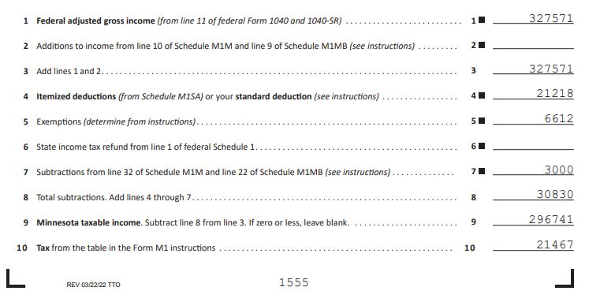
 |  |  |  |  |  |  |  |  | Jeff paid YTD | 2333.39
 |  |  |  |  |  |  |  |  | Jeff per paychex | 393.74
 |  |  |  |  |  |  |  |  | Paychecks left | 18
 |  |  |  |  |  |  |  |  | Total 2022 proj | 9420.71 | 0.55171628225
 |  |  |  |  |  |  |  |  | Need additional | $1,793.04
 |  |  |  |  |  |  |  |  | more per paycheck | 99.613465504

 |  |  |  |  |  |  |  |  | brit paid YTD | 1,994.11
 |  |  |  |  |  |  |  |  | brit per paychex | 314.47
 |  |  |  |  |  |  |  |  | Paychecks left | 18
 |  |  |  |  |  |  |  |  | Total 2022 proj | 7654.57 | 0.44828371775
 |  |  |  |  |  |  |  |  | Need additional | $1,456.89
 |  |  |  |  |  |  |  |  | more per paycheck | $80.94

 |  |  |  |  |  |  |  |  | Total | 17075.28 | need to WH more
 |  |  |  |  |  |  |  |  | Need additional | $3,249.94

 |  | $19,149.00
Need to ensure we are witholding more tax this year than last (bc of gain on syntellis investment)
WH in 2021
Jeff | 36131
Britney | 31,177.70
 | 67308.7
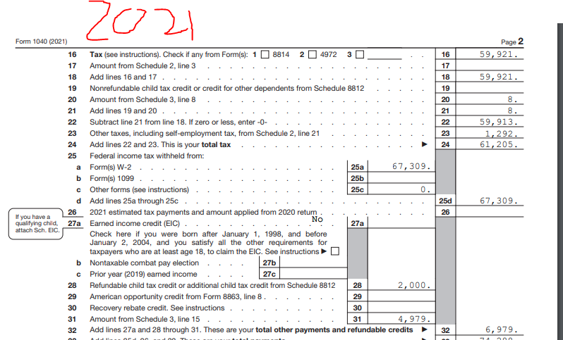

2022
Jeff
Emp Aug 31st | 2,583.28
Syntellis | 15,047.00
Per paycheck | 1,291.64
Paychecks left | 8
Additional | 10333.12
Total | 27,963.40

Britney
YTD (8/28) | 32,170.10 | 8.9285714286
Per paycheck | 1,195.60
Remaining | 10675
Total | 42,845.10

Grand Total | 70,808.50

TOTAL TAXES PAID 2021

Britney year end paycheck

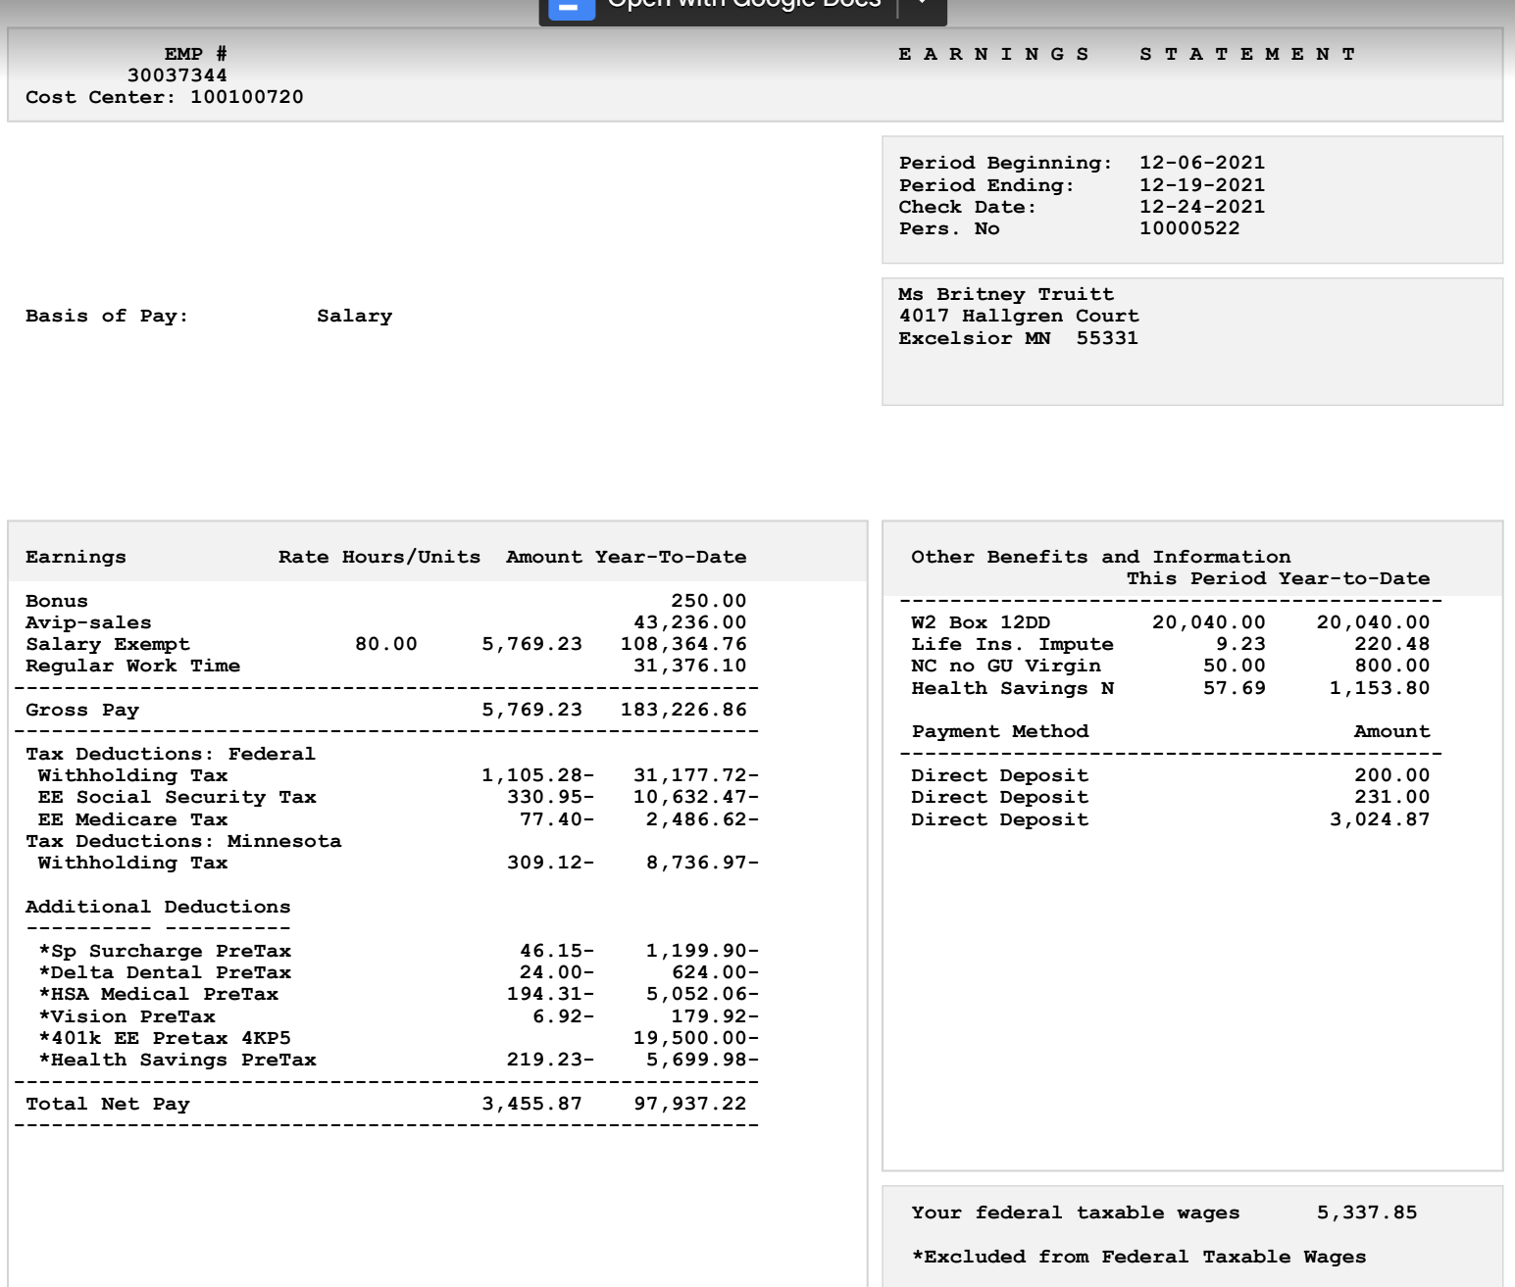

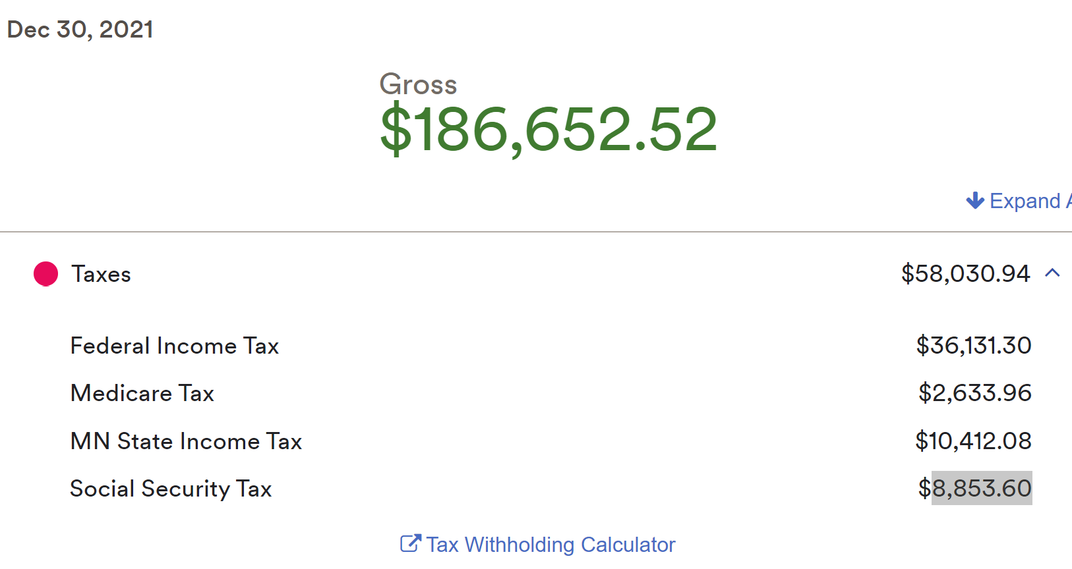

 | Britney | Jeff | Total | FEDERAL |  | STATE
Total pay | 183,226.86 | 186,652.52 | 369,879 | Total Tax | 61,205 | Total WH | 19,148
WH | 31,178 | 36,131.30 | 67,309 | Total WH | 67,309 | Tax | 20626
SS | 10,632 | 8,853.60 | 19,486 | Dependant Care | 4,979 | Return | (1,478)
Medicare | 2,486 | 2,633.96 | 5,120 | Child tax credit | 2,000
MN WH | 8,736 | 10,412.08 | 19,148 | Total Credit | 74,288
 |  |  |  | Return | 13,083
Tax paid | 106,437
% of Gross income | 29%

